Sheet1
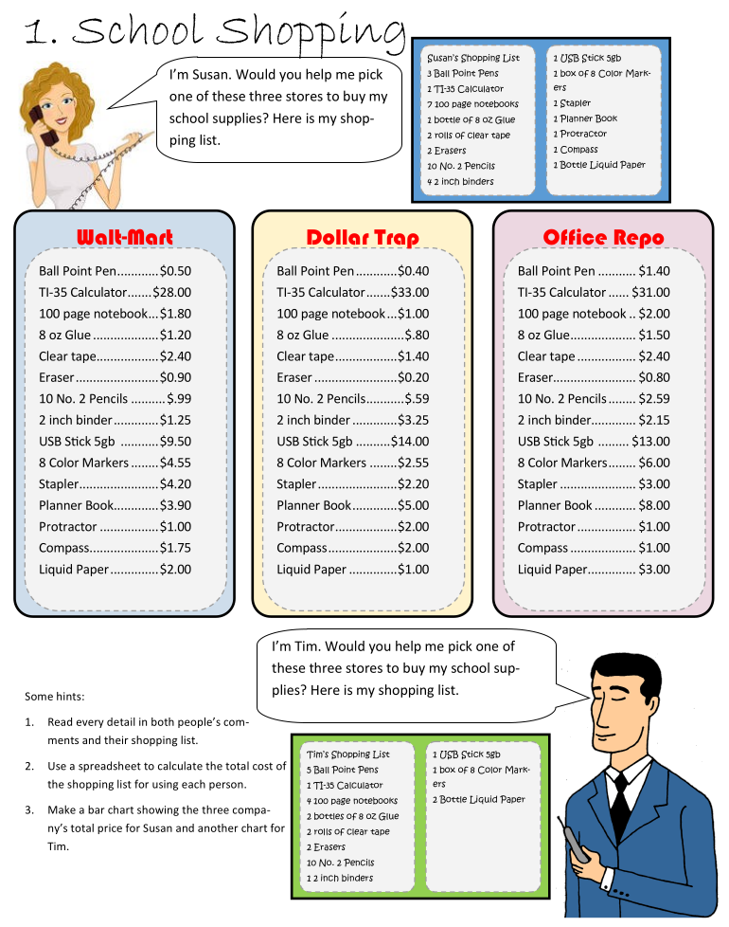
Susan (Cost to pay)
School Shopping

Quantity | Wall-Mart Price | Dollar Trap Price | Office Repo Price | Susan Store | Cost to pay
Ball Point Pen | $0.50 | $0.40 | $1.40 | Wall-Mart Price | $98.80
TI-35 Calculator | $28.00 | $33.00 | $31.00 | Dollar Trap Price | $105.45
100 page notebook | $1.80 | $1.00 | $2.00 | Office Repo Price | $137.20
8 oz Glue | $1.20 | $0.80 | $1.50
Clear Tape | $2.40 | $1.40 | $2.40 | TimStore | Cost to pay
Eraser | $0.90 | $0.20 | $0.80 | Wall-Mart Price | $75.90
10 No. 2 Pencils | $0.99 | $0.59 | $2.59 | Dollar Trap Price | $71.50
2 inch binder | $1.25 | $3.25 | $2.15 | Office Repo Price | $108.45
USB Stick 5GB | $9.50 | $14.00 | $13.00
8 Color Markers | $4.55 | $2.55 | $6.00
Stapler | $4.20 | $2.20 | $3.00
Planner Book | $3.90 | $5.00 | $8.00
TIm (Cost to pay)
Protractor | $1.00 | $2.00 | $1.00
Compass | $1.75 | $2.00 | $1.00
Liquid Paper | $2.00 | $1.00 | $3.00
Total | $63.94 | $69.39 | $78.84

